Sheet2
Row Labels | Sum of Sales
Baking Goods | 81894.7364
Breads | 35379.1198
Breakfast | 15596.6966
Canned | 90706.729
Dairy | 101276.4616
Frozen Foods | 118558.8814
Fruits and Vegetables | 178124.081
Hard Drinks | 29334.6806
Health and Hygiene | 68025.8388
Household | 135976.5254
Meat | 59449.8638
Others | 22451.8916
Seafood | 9077.87
Snack Foods | 175433.9224
Soft Drinks | 58514.167
Starchy Foods | 21880.0274
Grand Total | 1201681.4928

Sheets Design
 | KPI's Requirements
Sum of Sales | Average Sales | Number of Items | Average of Rating
17299.3082 | 149.13196724 | 116 | 3.9387931034

Total Sales | Avg. Sales | No. of Items | Avg Rating
$0.0M | $149 | 116 | 3.9

Fat Content by outlet for total sales:
Sum of Sales | Column Labels
Row Labels | Regular | Low Fat
Tier 2 | $5.0k | $12.3K

Total Sales by Item Type:
Row Labels | Sum of Sales
Dairy | $17.3K

Total Sales by Outlet Establishment:
Row Labels | Sum of Sales
2015 | $0.5K
2017 | $10.8K
2020 | $6.0K

Sales by Outlet Size:
Row Labels | Sum of Sales
Small | $17.3K

Sales by Outlet Location
Row Labels | Sum of Sales | Outlet Location | Sales
Tier 2 | $17.3K | Tier 2 | #REF!
 |  | 0 | $17.3K
 |  | 0 | #REF!

All Metrics by Outlet Type
Row Labels | Sum of Sales
Supermarket Type1 | $17.3K

Row Labels | Average of Sales
Supermarket Type1 | $149

Row Labels | Count of Sr.No.
Supermarket Type1 | 116

Sheet1
 | Total
OUT010 | 266.6884
OUT013 | 266.6884
OUT017 | 266.8884
OUT018 | 265.1884
OUT019 | 266.5884
OUT027 | 265.2884
OUT035 | 266.5884
OUT045 | 265.7884
OUT046 | 266.8884
OUT049 | 266.2884
GRAPH OF MAXIMUM SALES
Row Labels | Max of Sales
OUT017 | 265
OUT035 | 265
OUT045 | 231

 | Series1
Low Fat | 776319.6884
Regular | 425361.8044
 | Regular | Low Fat
Tier 2 | $5.0k | $12.3K
Total Sales by Fat Content |  | Fat Content by outlet for total sales:
Row Labels | Sum of Sales | Sum of Sales | Column Labels
Low Fat | $12.3k | Row Labels | Regular | Low Fat
Regular | $5.0K | Tier 2 | $5.0k | $12.3K

Dashboardd
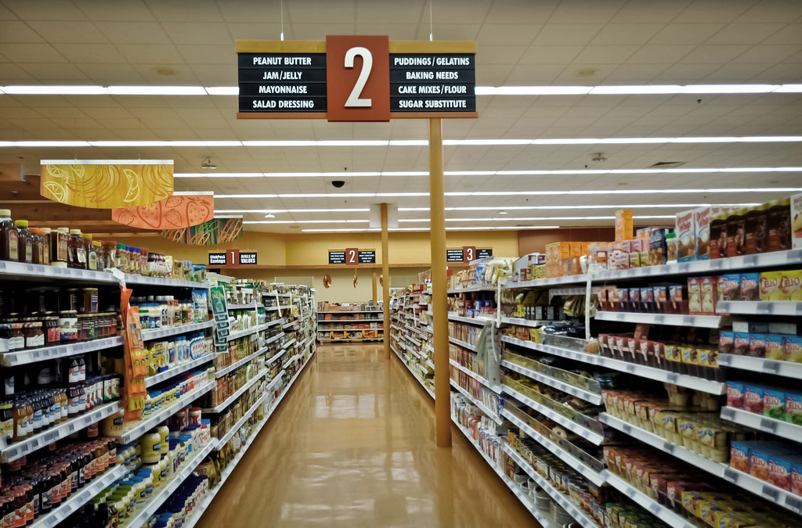

$149
$0.0M
OUTLET ESTABLISHMENT
GRABIT
Total Sales
 | Total
2015 | $0.5K
2017 | $10.8K
2020 | $6.0K

FILTER PANNEL
116
3.9

No. Of Items
AVG RATING

OUTLET SIZE
OUTLET LOCATION
 | Total
Low Fat | 776319.6884
Regular | 425361.8044
 | Total
Dairy | $17.3K
 | Total
Small | $17.3K

 | Regular | Low Fat
Tier 2 | $5.0k | $12.3K
 | Total
Supermarket Type1 | $17.3K
 | Total
Supermarket Type1 | $149
 | Total
Supermarket Type1 | 116
OUTLET TYPE

This Photo by Unknown Author is licensed under CC BY-NC-ND
GRAPH OF MAXIMUM SALES
 | Total
OUT010 | 266.6884
OUT013 | 266.6884
OUT017 | 266.8884
OUT018 | 265.1884
OUT019 | 266.5884
OUT027 | 265.2884
OUT035 | 266.5884
OUT045 | 265.7884
OUT046 | 266.8884
OUT049 | 266.2884

AVG Sales

Total Sales
No. of Items

